Bug report #1
Bug report #1
Bug summary | User can upload .pptx file as picture
Description | When user upload .pptx file as picture at "Student Registration Form" form accept that form of file
Steps | Open Google Chrome browser
 | Go to following URL: https://demoqa.com/forms
 | Select a "Practice Form" item from left
 | Enter first name (example: Marija) in field "First Name"
 | Enter last name (example: Stanisic) in field "Last Name"
 | Enter email (example: marijast95@hotmail.com) in field "Email"
 | Check one of the offered gender radio buttons (example: "Female")
 | Enter mobile (example: 0601112222) in field "Mobile Number"
 | Leave "Date of Birth", "Subjects" and "Hobbies" section as they are
 | Click on "Choose file" button
 | Choose certain .pptx file (example: Dan 1 QA.pptx) from File Explorer and click "Open" button
 | Leave "Current Address" and "State and City" section as they are
 | Click on "Submit" button
Expected result | User is redirected to choose another form of file for picture
Actual result | Accepting window "Thanks for submitting the form" pops up
Priority | Low
Severity | Low
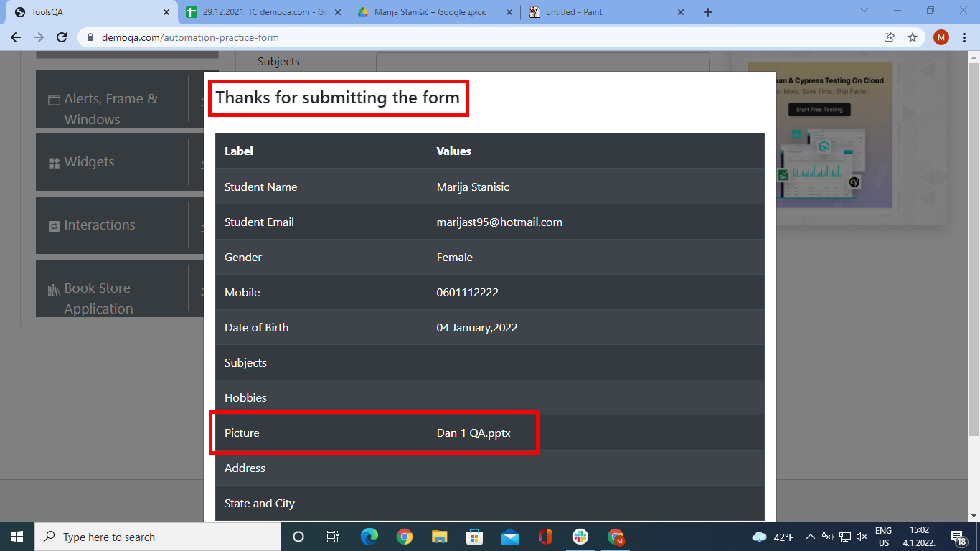
Repro rate | 2021-10-10
Screenshot

Bug report #2
Bug report #2
Bug summary | User cannot delete selected color
Description | When user tries to delete selected color from single color field they fails
Steps | Open Google Chrome browser
 | Go to following URL: https://demoqa.com/widgets
 | Enter two first letters of certain color (example: pu)
 | Select certain colour (example: "Purple") from dropdown menu
 | Put cursor at the end of the selected color and delete selected color
Expected result | Color name deleted and the field is empty
Actual result | Cursor goes to the begining of the word and user fails to delete it
Priority | Low
Severity | Low
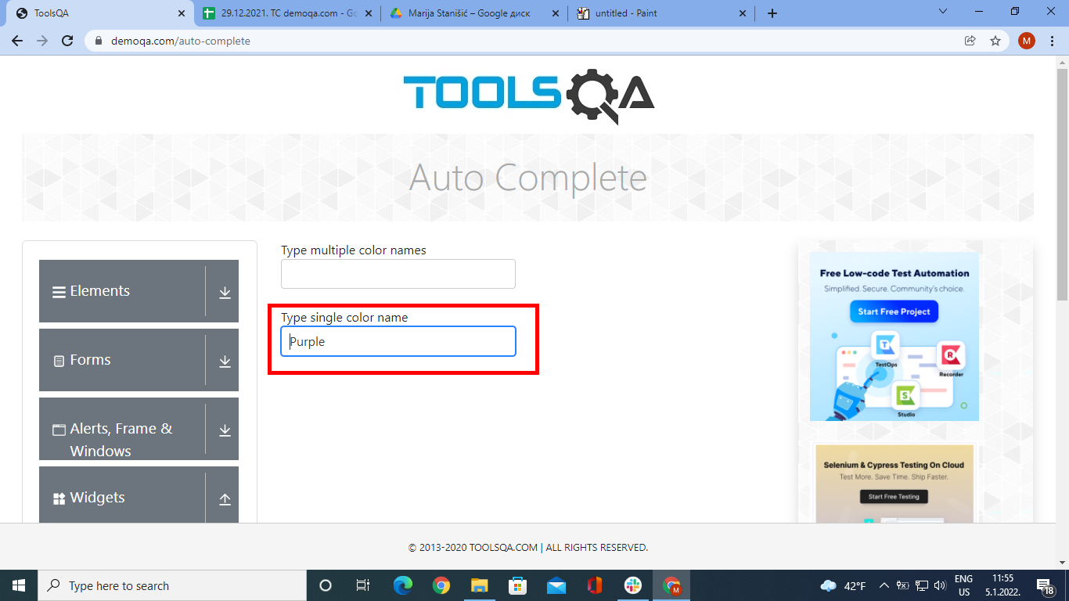
Repro rate | 2021-10-10
Screenshot

